MLD Drawing 02
1. Box/Slab Culvert

 |  |  | Box Culvert

 |  |  | 1 X 4 X 0.750 Mtr Chamber with Ms Weld Mesh Jali
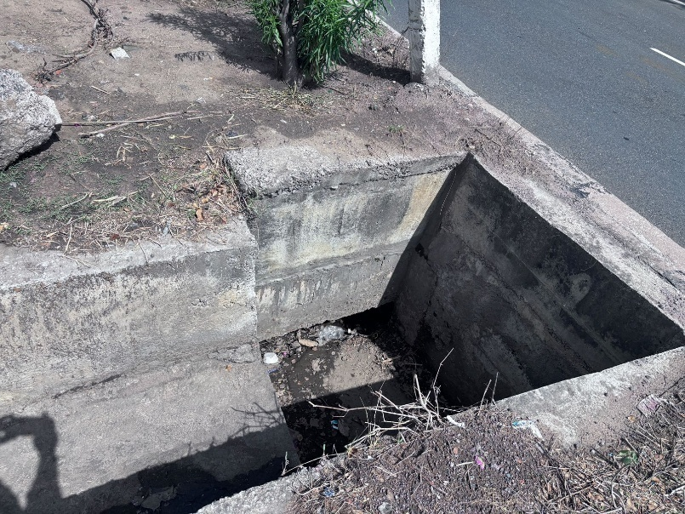

 |  | Median Longitudinal Drain
 | Median Chute Drain

Qty Calculations
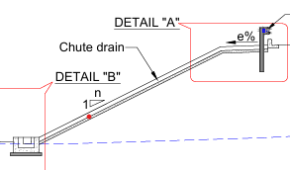
Rate Analysis of Chute Drain
Sr.No. | Description | Unit | Number | Length | Width | Depth | Qty. |  |  | 0.200 |  | 0.200
A | Chute Drain
1 | Excavation | Cum | 1 | 1 | 1.000 | 0.600 | 0.600
2 | PCC (M15) | Cum | 1 | 1 | 0.900 | 0.150 | 0.135
3 | Raft (PCC M20) | Cum | 1 | 1 | 0.700 | 0.150 | 0.105 |  |  |  | 0.300
4 | Wall (PCC M20) | Cum | 2 | 1 | 0.200 | 0.300 | 0.120 | 0.600 |  |  |  |  |  | 0.3
 | Total Amount==>> |  |  |  |  |  | 0.360 |  | 0.1 |  |  |  | 0.1
 |  |  |  |  |  |  |  |  |  |  |  |  |  |  | Chute Drain Elevation
 |  |  |  |  |  |  |  |  |  |  | RAFT | 0.15
 |  |  |  |  |  |  |  |  |  |  | PCC | 0.15

 |  |  |  |  |  |  |  |  |  |  | 0.900

 |  |  |  |  |  |  |  |  |  |  | Chute Drain Dimension

